Sheet1
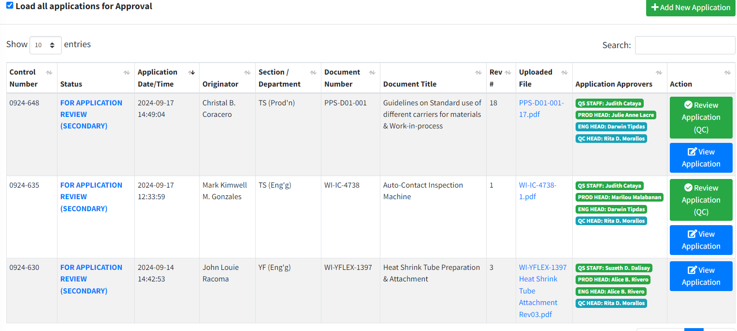
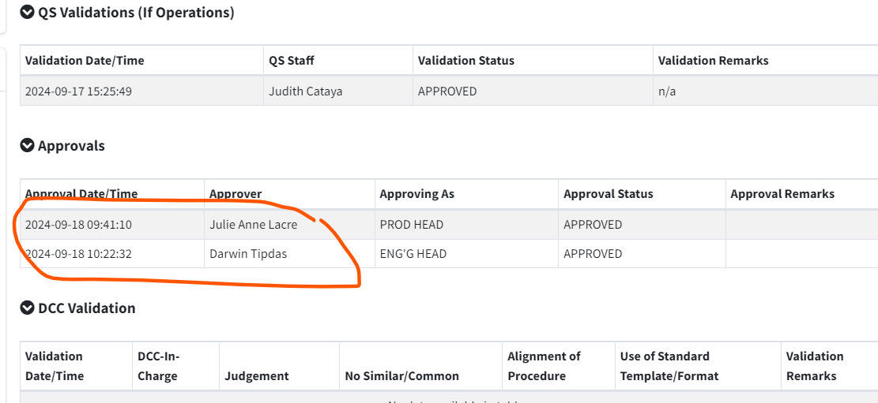

Not yet approved by RDM, the color is BLUE.
Approved by DLT, but still in BLUE.

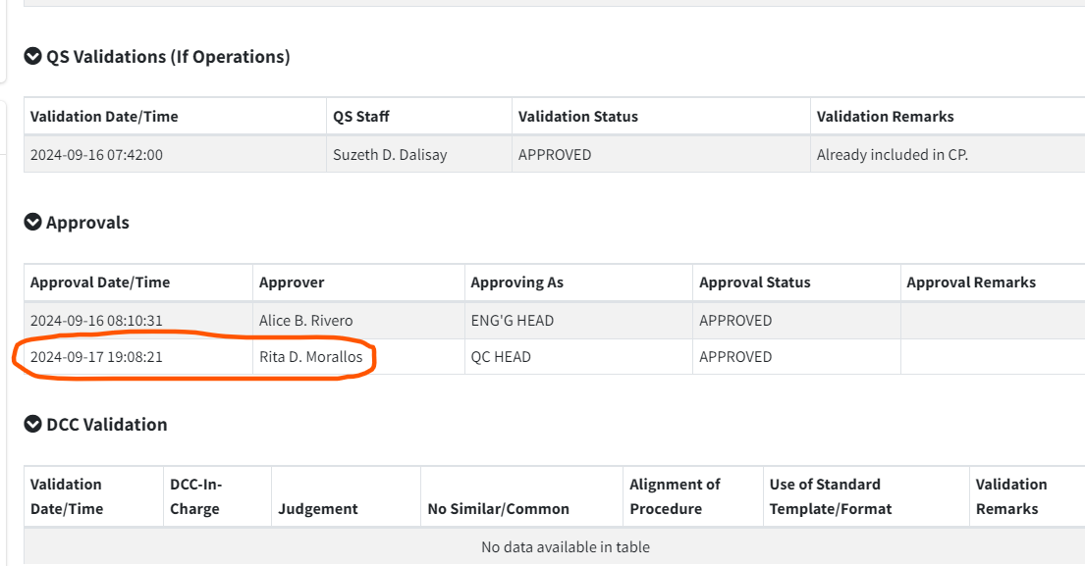
RDM approved this document but the origintor saw it as "not yet approved" because the color is still BLUE. Green color, already approved. But in my case, it remains on BLUE.

